Topline ER Diagram
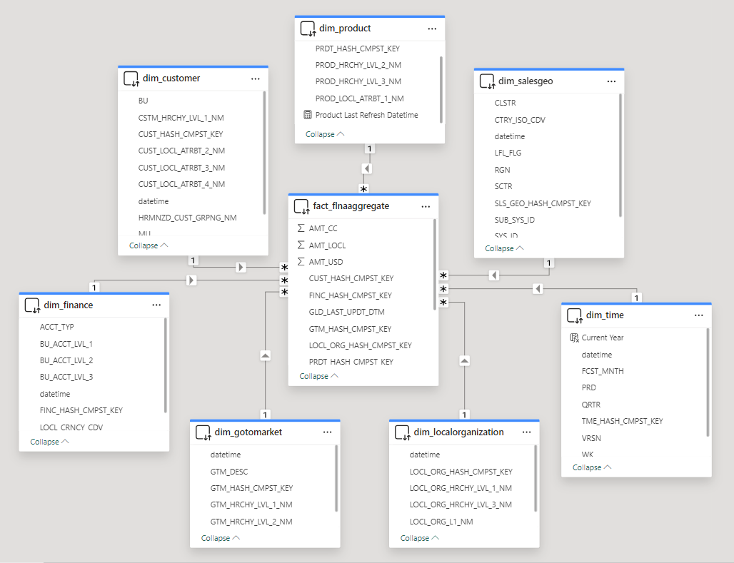
Topline Metadata | OPEX Metadata | Topline ER Diagram | OPEX ER Diagram | Relationship

OPEX ER Diagram
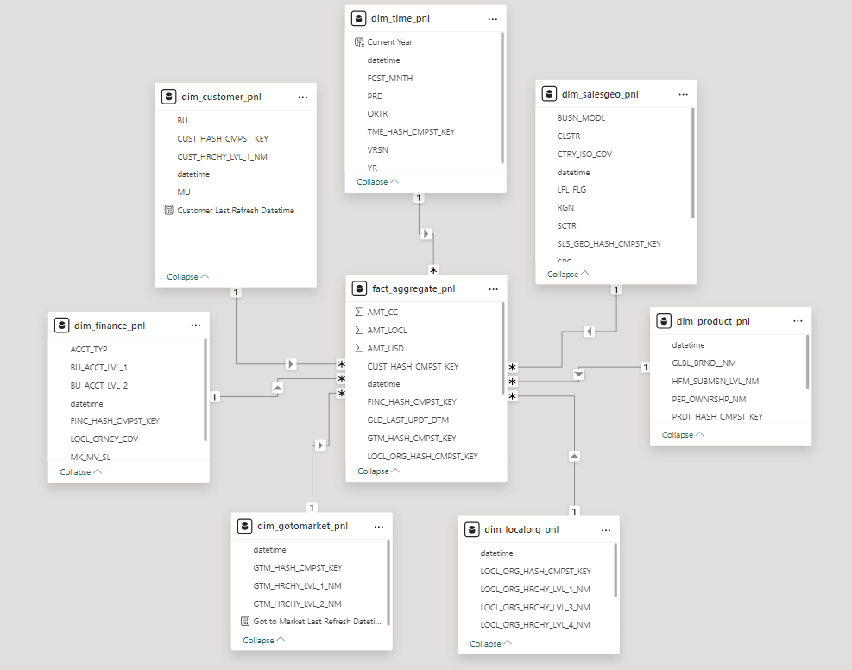
Topline Metadata | OPEX Metadata | Topline ER Diagram | OPEX ER Diagram | Relationship

